Visualizations
Univariate Analyis

Gender Distribution
 | Total
Female | 3488
Male | 3555

Contract Type
 | Total
Month-to-month | 3875
One year | 1473
Two year | 1695

InternetService Type
 | Total
DSL | 2421
Fiber optic | 3096
No | 1526

Bivariate Analyis
Churn Based On Contract

Count of customerID | Column Labels
Row Labels | No | Yes
Month-to-month | 2220 | 1655
One year | 1307 | 166
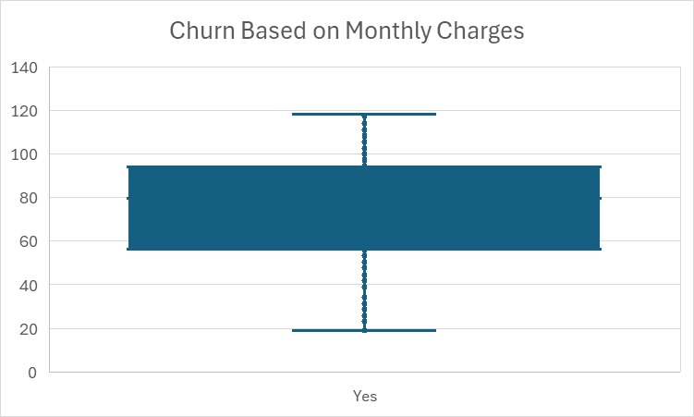
Two year | 1647 | 48

Distribution Based on Gender & Dependents

Churn | Yes

Count of customerID | Column Labels
Row Labels | No | Yes
Female | 774 | 165
Male | 769 | 161

Time Analyis

Churn | (All)
Churn Based On Tenure
Row Labels | Count of customerID
0-11 | 2069
12-23 | 1047
24-35 | 876
36-47 | 748
48-59 | 820
60-72 | 1483
Grand Total | 7043

Revenue Distribution By Customer Type

Revenue Distribution By Customer Type
Row Labels | Sum of TotalCharges
No | 13218354.8
Yes | 2862926.9
Grand Total | 16081281.7

Churn By Tenure Group

Churn by Tenure Groups

Churn | Yes

Row Labels | customers count
0-11 | 999
12-23 | 309
24-35 | 193
36-47 | 146
48-59 | 123
60-72 | 99
Grand Total | 1869

